Bin000 with bias
Learning rate | ρ | 0.2 |  | Forward propagation
Momentum term | α | 0
argA | a | 0 |  |  | S1 | S1 = w01 + x1*w11+x2*w21 | 0.56 |  | Y1 | Y1 = (b-a)/(1+e^-S1) + a | 0.63645254028
argB | b | 1 |  |  | S2 | S2 = w02 + x1*w12+x2*w22 | 0.56 |  | Y2 | Y2 = (b-a)/(1+e^-S2) + a | 0.63645254028
Input 1 | x1 | 0 |  |  | S3 | S3 = w03 + x1*w13+x2*w23 | 0.56 |  | Y3 | Y3 = (b-a)/(1+e^-S3) + a | 0.63645254028
Input 2 | x2 | 0 |  |  | S4 | S4 = w04 + x1*w14+x2*w24 | 0.56 |  | Y4 | Y4 = (b-a)/(1+e^-S4) + a | 0.63645254028
Output | T | 0

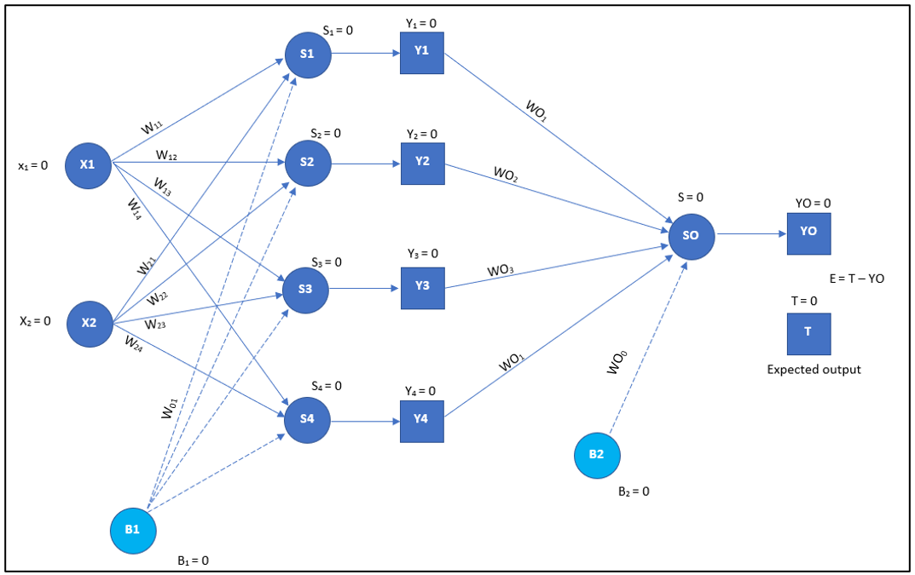
W01 | 0.56 |  | bias weight of hidden layer | Input S | S | S=wO0 + Y1*WO1 + Y2*WO2 + Y3*WO3 + Y4*WO4 | 1.241023777
W02 | 0.56 |  | bias weight of hidden layer | Output Y | Y | Y0 = (b-a)/(1+e^-S) + a | 0.77574216719
W03 | 0.56 |  | bias weight of hidden layer
W04 | 0.56 |  | bias weight of hidden layer | Error | E | T-Y | -0.77574216719

W11 | 0.23 |  |  | Backward propagation
W12 | 0.34
W13 | 0.14 |  |  | DeltaOutputS | δ | DeltaOutputS = error * outputY * (1 - outputY) | -0.1349529614
W14 | 0.35
 |  |  |  | DeltaOutputWeight0 | ΔWO0' | ΔWO0' = α*ΔWO0 + ρ*δ*1 | -0.026990592281
W21 | 0.52 |  |  | DeltaOutputWeight1 | ΔWO1' | ΔWO1' = α*ΔWO1 + ρ*δ*Y1 | -0.017178231021
W22 | 0.27 |  |  | DeltaOutputWeight2 | ΔWO2' | ΔWO2' = α*ΔWO2 + ρ*δ*Y2 | -0.017178231021
W23 | 0.19 |  |  | DeltaOutputWeight3 | ΔWO3' | ΔWO3' = α*ΔWO3 + ρ*δ*Y3 | -0.017178231021
W24 | 0.25 |  |  | DeltaOutputWeight4 | ΔWO4' | ΔWO4' = α*ΔWO4 + ρ*δ*Y4 | -0.017178231021

WO0 | 0.42 |  |  | Updated weights WO1 | WO0' | WO0' = WO0 + ΔWO0' | 0.39300940772
WO1 | 0.31 |  |  | Updated weights WO1 | WO1' | WO1' = WO1 + ΔWO1' | 0.29282176898
WO2 | 0.56 |  |  | Updated weights WO2 | WO2' | WO2' = WO2 + ΔWO2' | 0.54282176898
WO3 | 0.13 |  | bias weight of output layer | Updated weights WO3 | WO3' | WO3' = WO3 + ΔWO3' | 0.11282176898
WO4 | 0.29 |  |  | Updated weights WO4 | WO4' | WO4' = WO4 + ΔWO4' | 0.27282176898

ΔWO0 | 0 |  | bias | DeltaHiddenS1 | δ1 | δ1=δ*WO1'*Y1*(1 - Y1) | -0.0091435094416
ΔWO1 | 0 |  |  | DeltaHiddenS2 | δ2 | δ2=δ*WO2'*Y2*(1 - Y2) | -0.016949887254
ΔWO2 | 0 |  |  | DeltaHiddenS3 | δ3 | δ3=δ*WO3'*Y3*(1 - Y3) | -0.0035229174165
ΔWO3 | 0 |  |  | DeltaHiddenS4 | δ4 | δ4=δ*WO4'*Y4*(1 - Y4) | -0.0085189992166
ΔWO4 | 0
 |  |  |  | DeltaHiddenWeight01 | ΔW01' | ΔW01' = α*ΔW01 + ρ*δ1*1 | -0.0018287018883 | Updated weight W01 | W01' | W01' = W01 + ΔW01' | 0.55817129811
ΔW01 | 0 |  | bias | DeltaHiddenWeight02 | ΔW02' | ΔW02' = α*ΔW02 + ρ*δ2*1 | -0.0033899774508 | Updated weight W02 | W02' | W02' = W02 + ΔW02' | 0.55661002255
ΔW02 | 0 |  | bias | DeltaHiddenWeight03 | ΔW03' | ΔW03' = α*ΔW03 + ρ*δ3*1 | -0.00070458348331 | Updated weight W03 | W03' | W03' = W03 + ΔW03' | 0.55929541652
ΔW03 | 0 |  | bias | DeltaHiddenWeight04 | ΔW04' | ΔW04' = α*ΔW04 + ρ*δ4*1 | -0.0017037998433 | Updated weight W04 | W04' | W04' = W04 + ΔW04' | 0.55829620016
ΔW04 | 0 |  | bias
 |  |  |  | DeltaHiddenWeight10 | ΔW11' | ΔW11' = α*ΔW11 + ρ*δ1*x1 | 0 | Updated weight W11 | W11' | W11' = W11 + ΔW11' | 0.23
ΔW11 | 0 |  |  | DeltaHiddenWeight11 | ΔW12' | ΔW12' = α*ΔW12 + ρ*δ2*x1 | 0 | Updated weight W12 | W12' | W12' = W12 + ΔW12' | 0.34
ΔW12 | 0 |  |  | DeltaHiddenWeight12 | ΔW13' | ΔW13' = α*ΔW13 + ρ*δ3*x1 | 0 | Updated weight W13 | W13' | W13' = W13 + ΔW13' | 0.14
ΔW13 | 0 |  |  | DeltaHiddenWeight13 | ΔW14' | ΔW14' = α*ΔW14 + ρ*δ4*x1 | 0 | Updated weight W14 | W14' | W14' = W14 + ΔW14' | 0.35
ΔW14 | 0
 |  |  |  | DeltaHiddenWeight20 | ΔW21' | ΔW21' = α*ΔW21 + ρ*δ1*x2 | 0 | Updated weight W21 | W21' | W21' = W21 + ΔW21' | 0.52
ΔW21 | 0 |  |  | DeltaHiddenWeight21 | ΔW22' | ΔW22' = α*ΔW22 + ρ*δ2*x2 | 0 | Updated weight W22 | W22' | W22' = W22 + ΔW22' | 0.27
ΔW22 | 0 |  |  | DeltaHiddenWeight22 | ΔW23' | ΔW23' = α*ΔW23 + ρ*δ3*x2 | 0 | Updated weight W23 | W23' | W23' = W23 + ΔW23' | 0.19
ΔW23 | 0 |  |  | DeltaHiddenWeight23 | ΔW24' | ΔW24' = α*ΔW24 + ρ*δ4*x2 | 0 | Updated weight W24 | W24' | W24' = W24 + ΔW24' | 0.25
ΔW24 | 0

